Sheet1
Item Description | Price | Pcs/Set | Total | Link | Picture | Comments
100W Solar Panel | ₱0.00 | 1 | ₱0 | YOUR CHOICE OF SOLAR PANEL | YOUR CHOICE OF SOLAR PANEL | COVERED/RESERVED
12V Hydro Turbine | ₱281.00 | 1 | ₱281 | https://shopee.ph/DC-12V-DC-Generator-10W-Micro-Hydro-Water-Turbine-Generator-Water-Charging-PZ-1ding-i.979443967.26053603871?sp_atk=8859879a-f49a-4fe9-bbc1-49d1ee2835b8&xptdk=8859879a-f49a-4fe9-bbc1-49d1ee2835b8 | 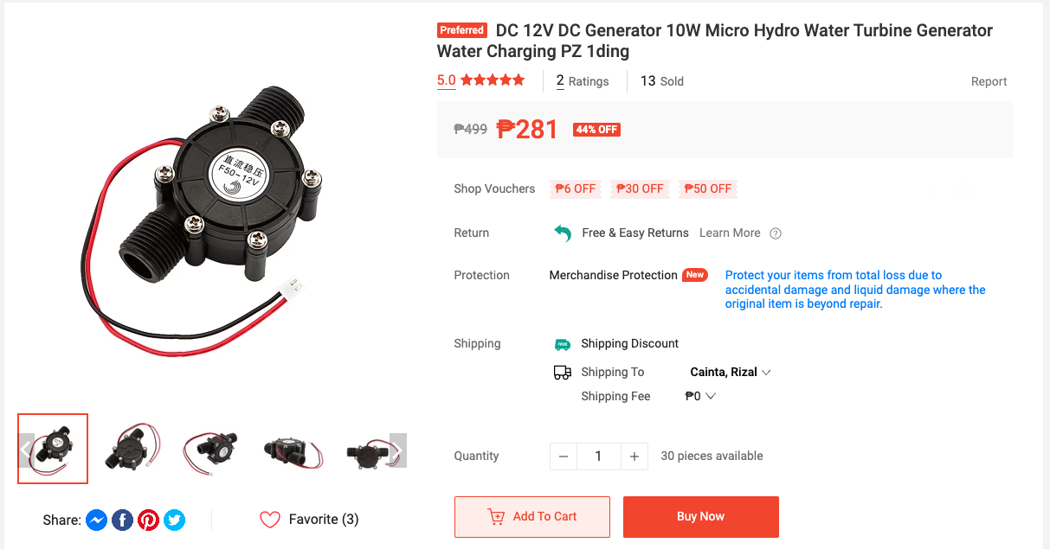 | COVERED/RESERVED (Concern: Hole Diameter of Turbine)
NodeMCU / Microcontroller | ₱160.00 | 1 | ₱160 | https://shopee.ph/NodeMCU-V3-ESP8266-ESP-12E-WiFi-development-board-i.18252381.242351891?sp_atk=7c4887d3-77f1-4a17-8938-c4488180f80d&xptdk=7c4887d3-77f1-4a17-8938-c4488180f80d | 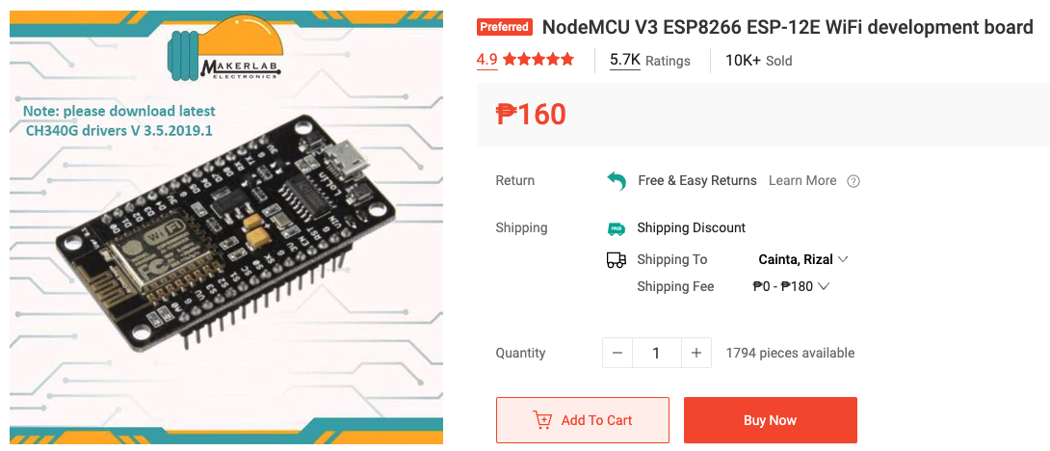 | BUILT IN WIFI / USED FOR IOT (COVERED/RESERVED)
Analog to Digital Converter | ₱499.00 | 1 | ₱499 | https://shopee.ph/Analog-to-Digital-Converter-16-bit-4-Channel-ADS1115-i.18252381.255168249?sp_atk=e718f97e-a48f-4db7-9e8c-f58e6a4036e6&xptdk=e718f97e-a48f-4db7-9e8c-f58e6a4036e6 | 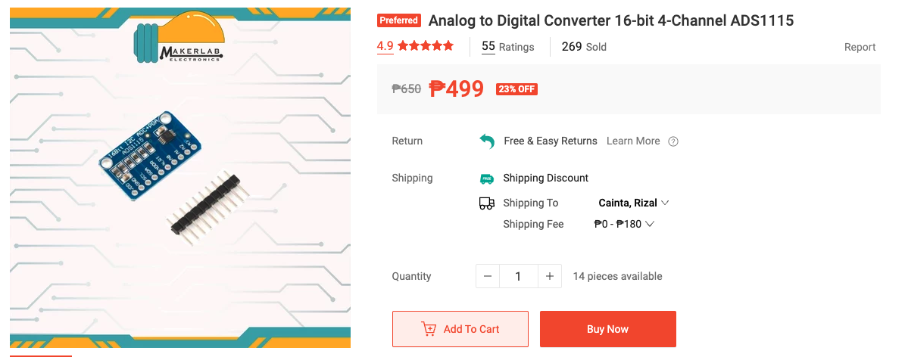 | NodeMCU has only 1 Analog Pin
5V Temperature Sensor | ₱99.00 | 1 | ₱99 | https://shopee.ph/Waterproof-Temperature-Sensor-DS18B20-i.18252381.242295277?sp_atk=737f5c78-9715-4147-878b-6a3e41f4a7a8&xptdk=737f5c78-9715-4147-878b-6a3e41f4a7a8 | 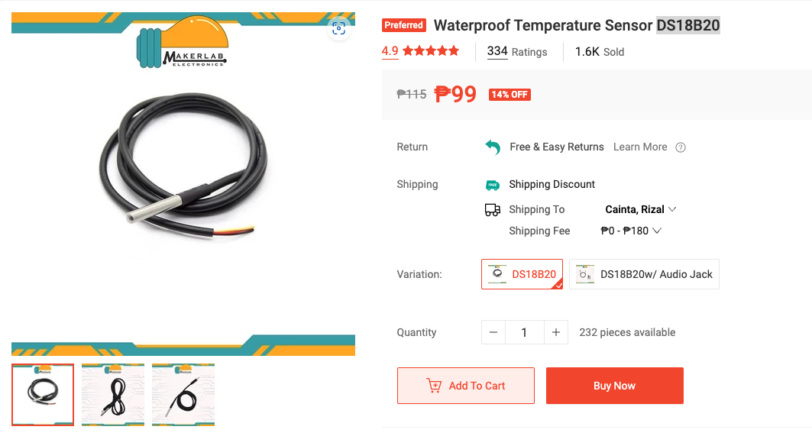
12V Battery | ₱0.00 | 1 | ₱0 | YOUR CHOICE OF BATTERY | YOUR CHOICE OF BATTERY | COVERED/RESERVED(For further discussion of clients)
5V Water Level Sensor | ₱39.00 | 2 | ₱78 | https://shopee.ph/Rain-Water-Level-Sensor-(RED)-i.18252381.719649861?sp_atk=a6a8d6d7-9755-42a8-88f8-4d69a8a03ec7&xptdk=a6a8d6d7-9755-42a8-88f8-4d69a8a03ec7 | 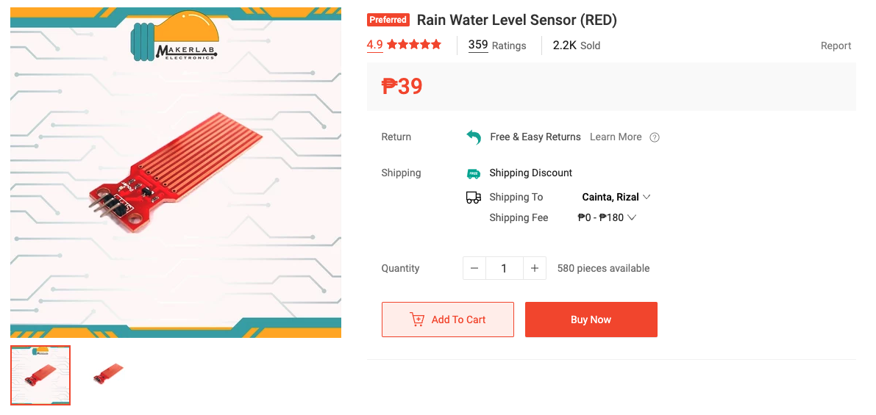
5V PH Sensor | ₱999.00 | 1 | ₱999 | https://shopee.ph/PH-4502C-Liquid-PH-Sensor-with-E201-BNC-Electrode-for-Arduino-i.18252381.4096337388?sp_atk=b37c19fb-b991-48a4-82c0-72afbb965d6d&xptdk=b37c19fb-b991-48a4-82c0-72afbb965d6d | 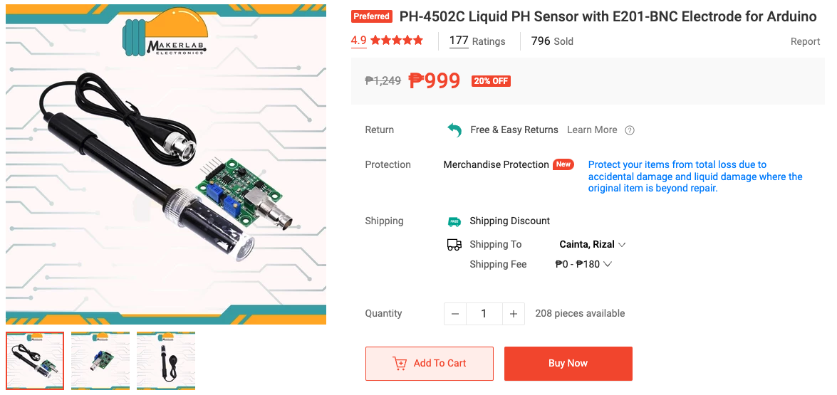
12V Water Pump (not accurate) | ₱159.00 | 1 | ₱159 | https://shopee.ph/12V-R385-Water-Pump-diaphragm-type-i.18252381.1089662013?sp_atk=ff94195c-74e0-4aee-9cad-a25a0ced0819&xptdk=ff94195c-74e0-4aee-9cad-a25a0ced0819 | 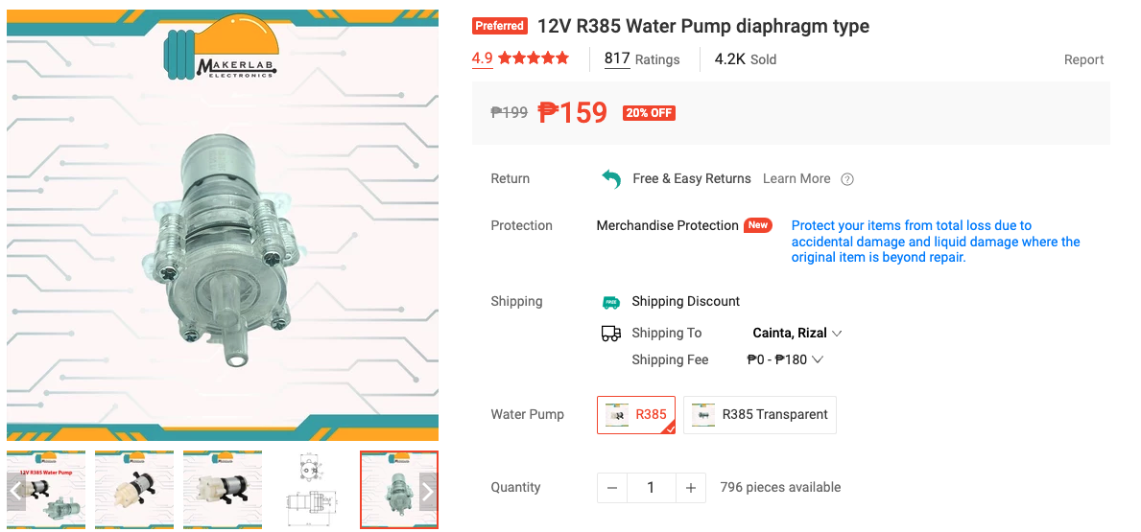 | For further discussion of clients
12V to 5V Voltage Regulator | ₱72.00 | 1 | ₱72 | https://shopee.ph/DC-DC-24V-12V-to-5V-5A-Buck-Converter-USB-Mobile-Phone-DC-DC-Step-down-Module-LM2596S-HW-688-HCW-P715-i.516536675.19279977251?sp_atk=29a4ddf2-7b72-4dd8-b1d8-d60b5107f02e&xptdk=29a4ddf2-7b72-4dd8-b1d8-d60b5107f02e | 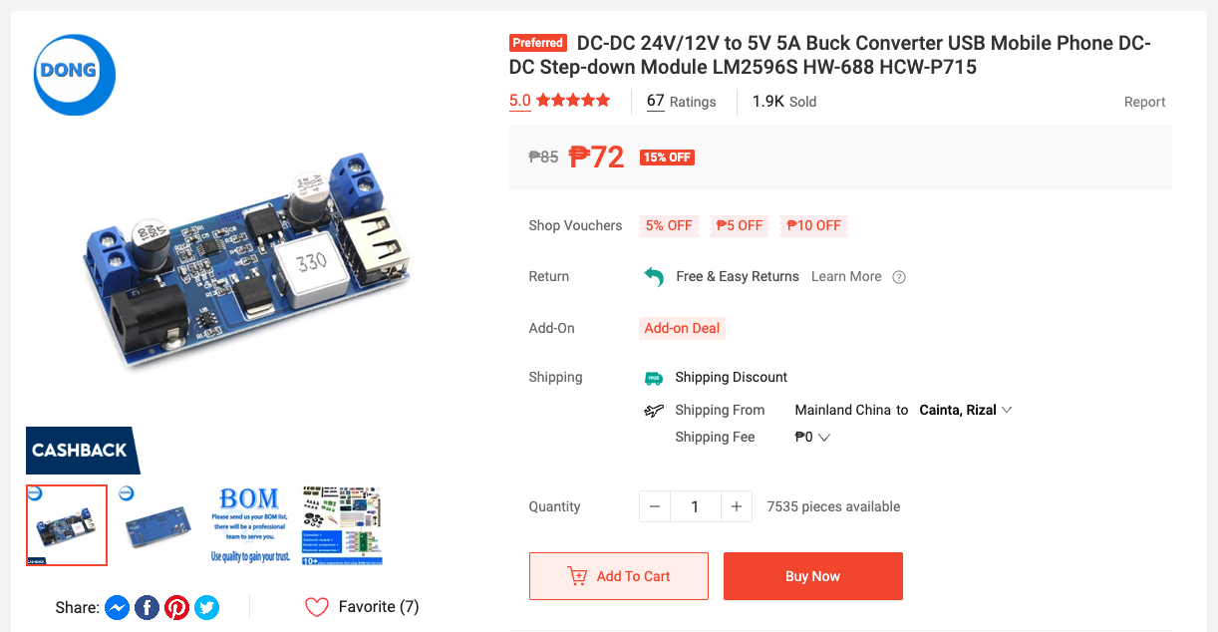 | 12V BATTERY to 5V NodeMCU
12V Portable Oxygen Pump | ₱520.00 | 1 | ₱520 | https://shopee.ph/Long-battery-life-Mini-Aquarium-Air-Pump-28kpa-12v-Portable-oxygen-pump-Fish-oxygen-i.481749124.20670145684?sp_atk=5bd66aea-8214-4c9a-a069-f9a7d9a92414&xptdk=5bd66aea-8214-4c9a-a069-f9a7d9a92414 | 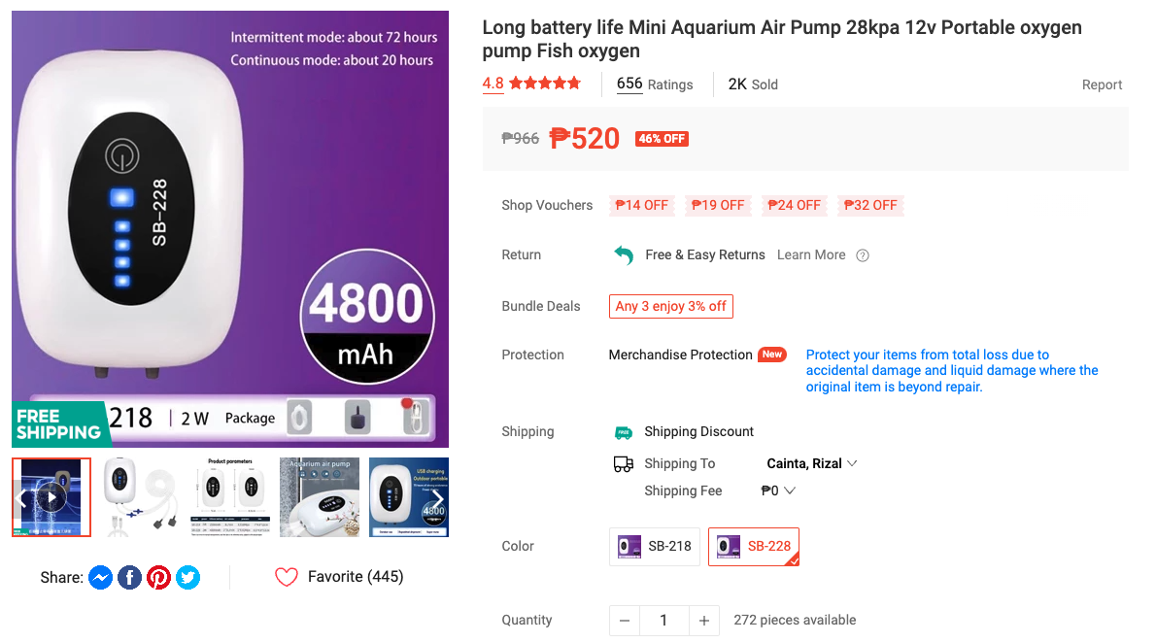 | For further discussion of clients
Voltage Sensor (to add in the future) | ₱48.00 | 4 | ₱192 | https://shopee.ph/Voltage-Detection-Sensor-Module-25V-i.18252381.5711990043 | 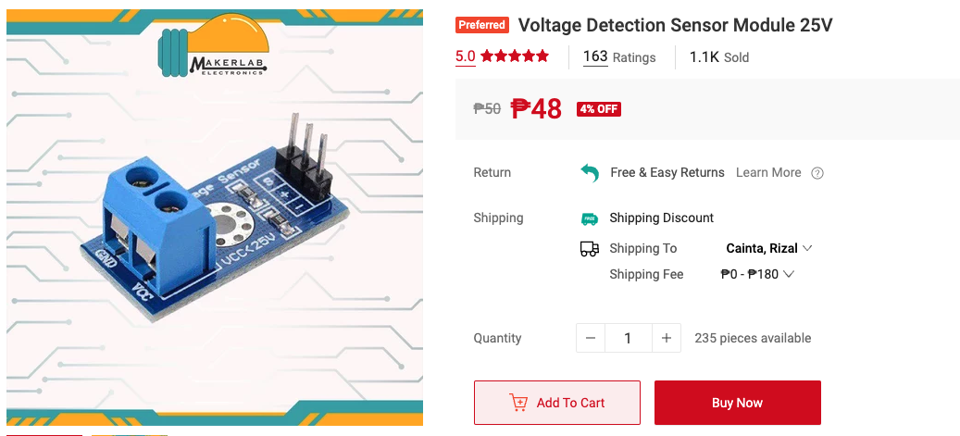 | Solar Panel, Power Grid, Turbine
Current Sensor (to add in the future) | ₱95.00 | 4 | ₱380 | https://shopee.ph/Current-Sensor-ACS712-20A-ACS712-5A-i.18252381.595693524?sp_atk=e9bd3339-cf6c-4db7-90e5-7f901d86e591&xptdk=e9bd3339-cf6c-4db7-90e5-7f901d86e591 | 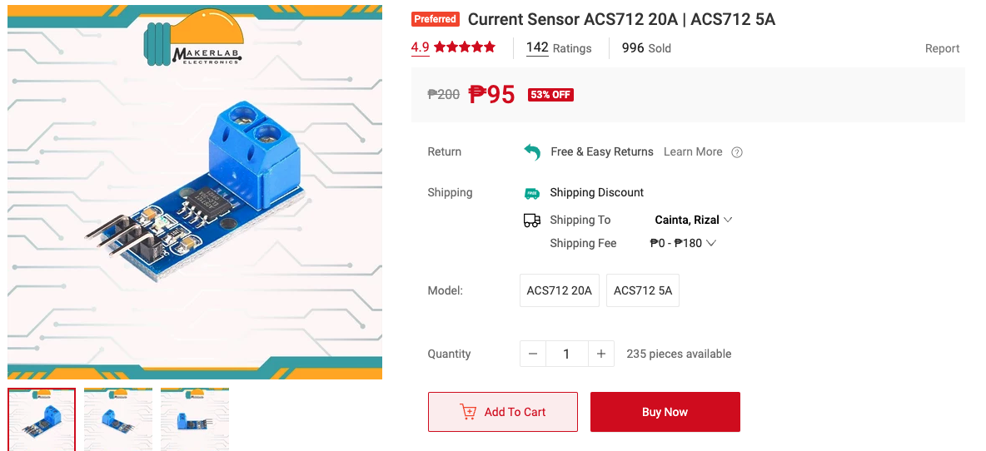 | Solar Panel, Power Grid, Turbine
12V Relay Module | ₱69.00 | 4 | ₱276 | https://shopee.ph/1-2-4-8-Channel-5V-12V-10A-Relay-Module-with-Optocoupler-i.18252381.670803085?sp_atk=87257c95-5178-45a1-93ed-91247c6aecbc&xptdk=87257c95-5178-45a1-93ed-91247c6aecbc | 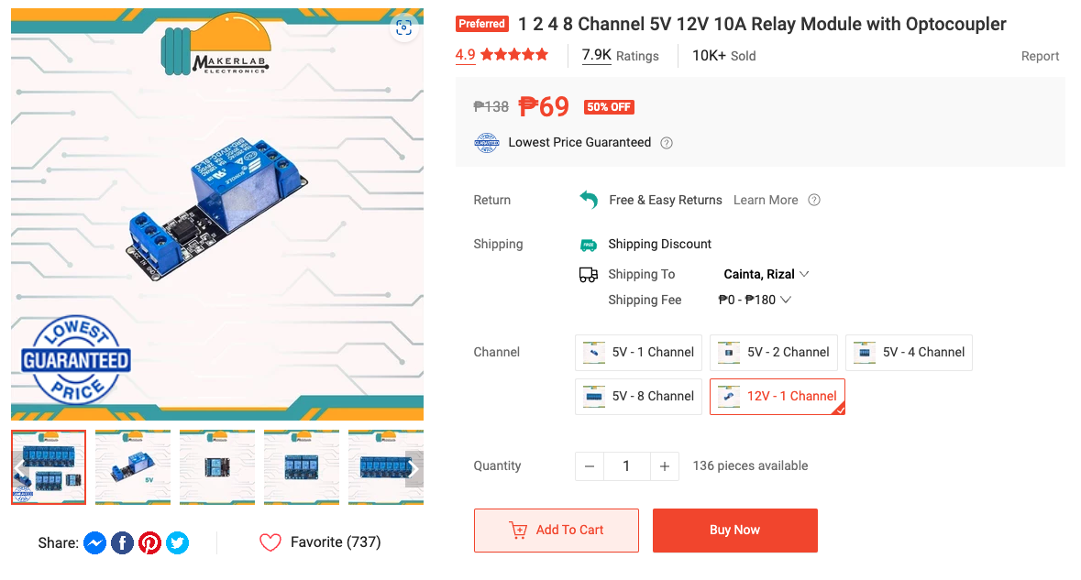 | For 12V Solenoid Valve, Solar Panel, Power Grid, Turbine | 1 battery, 2 solenoid valve (if no built-in relay), water pump
F M Jumper Wires 30CM | ₱0.00 | 1 | ₱0 | https://shopee.ph/40pcs-10cm-20cm-30cm-Breadboard-connecting-Jumper-Wires-Dupont-Wire-Cable-Arduino-Prototyping-i.18252381.190149221?sp_atk=f0ba9515-2404-4c7c-86d5-3ee9f2d647d0&xptdk=f0ba9515-2404-4c7c-86d5-3ee9f2d647d0 | 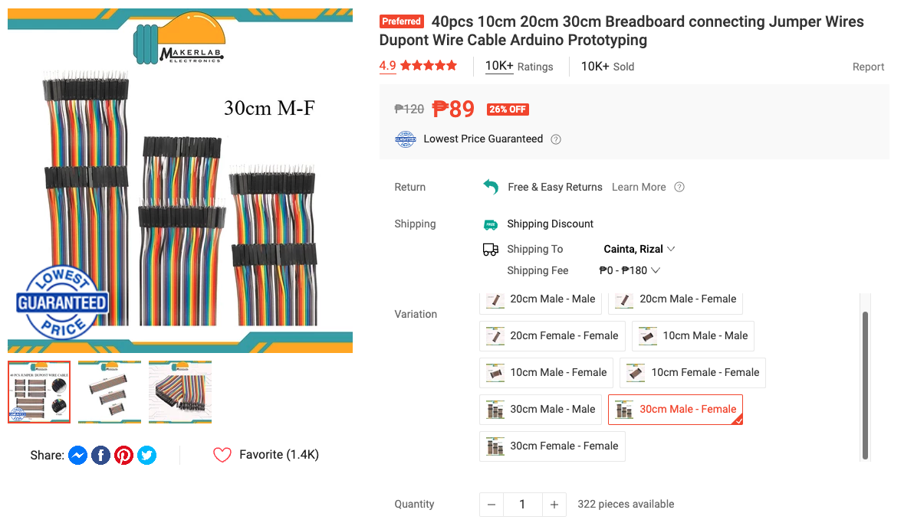 | COVERED/RESERVED | I have unused jumper wires which can be used for connecting the components
FF Jumper Wires 30CM * | ₱0.00 | 1 | ₱0 | https://shopee.ph/40pcs-10cm-20cm-30cm-Breadboard-connecting-Jumper-Wires-Dupont-Wire-Cable-Arduino-Prototyping-i.18252381.190149221?sp_atk=bc9664c9-e3e5-454b-8bdf-21e5acaebfa3&xptdk=bc9664c9-e3e5-454b-8bdf-21e5acaebfa3 | 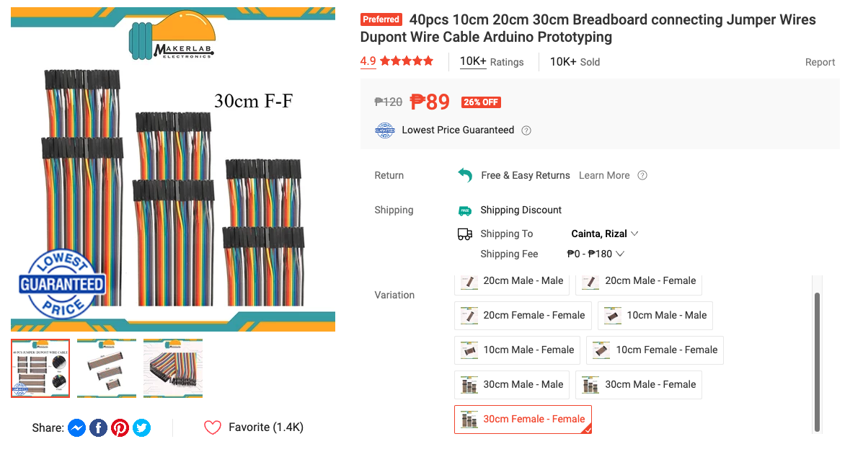 | COVERED/RESERVED | I have unused jumper wires which can be used for connecting the components
12V Solenoid Valve | ₱1,188.00 | 2 | ₱2,376 | https://shopee.ph/CNZG-Two-Way-Brass-Electric-Solenoid-Valve-Normally-Closed-220v-12v-24v-110v-1-4-3-8-1-2-3-4-For-Water-Hair-Fuels-Gas-i.314235649.5269222660?sp_atk=470a4722-fd7e-4835-9bba-69b50bd0ca42&xptdk=470a4722-fd7e-4835-9bba-69b50bd0ca42 | 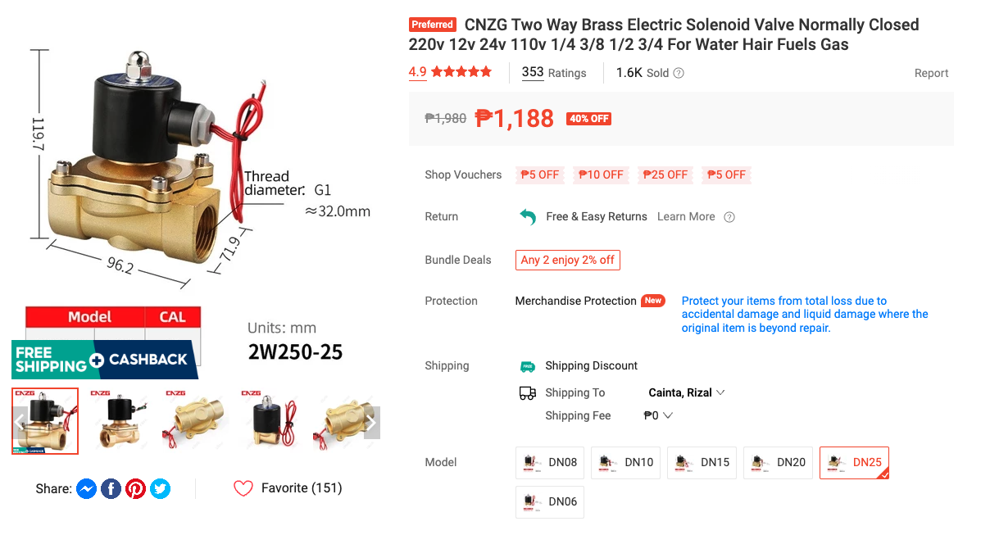 | FOR 2 TUBES CONDITIONAL. To follow | Dependent on Turbine hole diameter (Item 3)
DAC- MCP4725 | ₱68.00 | 3 | ₱204 | https://www.lazada.com.ph/products/mcp4725-12bit-i2c-dac-digital-converter-module-digital-to-analong-eeprom-development-board-for-arduino-27v-55v-i4214263337-s23395027090.html?c=&channelLpJumpArgs=&clickTrackInfo=query%253Amcp4725%253Bnid%253A4214263337%253Bsrc%253ALazadaMainSrp%253Brn%253Aa6d968c4b79ac472dcc31ab0c0680b4f%253Bregion%253Aph%253Bsku%253A4214263337_PH%253Bprice%253A68.28%253Bclient%253Adesktop%253Bsupplier_id%253A500603760043%253Bbiz_source%253Ahttps%253A%252F%252Fwww.lazada.com.ph%252F%253Bslot%253A1%253Butlog_bucket_id%253A470687%253Basc_category_id%253A22654%253Bitem_id%253A4214263337%253Bsku_id%253A23395027090%253Bshop_id%253A4889540%253BtemplateInfo%253A-1_C%2523116035_A3_B_D_E_L_A0%2523108490_G%2523&configId=choice_PH_promotion&freeshipping=1&fs_ab=2&fuse_fs=&lang=en&location=China&price=68.28&priceCompare=skuId%3A23395027090%3Bsource%3Alazada-search-voucher%3Bsn%3Aa6d968c4b79ac472dcc31ab0c0680b4f%3BunionTrace%3Aa3b546a017270079627265196e%3BoriginPrice%3A6828%3BvoucherPrice%3A6828%3BdisplayPrice%3A6828%3BsinglePromotionId%3A900000035342987%3BsingleToolCode%3AshopPromPrice%3BvoucherPricePlugin%3A1%3BbuyerId%3A0%3Btimestamp%3A1727007963136&ratingscore=5.0&request_id=a6d968c4b79ac472dcc31ab0c0680b4f&review=3&sale=19&search=1&source=search&spm=a211g0.searchlist.list.1&stock=1&upItemIds=4214263337 |  | There might be cheaper options, pero ito nakita kong pinakamura
STP55NF06L | ₱75.00 | 3 | ₱225 | https://shopee.ph/product/98591228/14809002186?gads_t_sig=VTJGc2RHVmtYMTlxTFVSVVRrdENkU1psNndicnpENjFrR2ZiZlcxU0ZETDZEOVhkV3NOQXMxR1g1WmNaOXd1UmxwOXE5TFJLYWZZWUI4bkIxTXVta0VNUzdGcUxnVGUzSjNRRk55S2ZVbVdFYmZJTlBNemtUUENyN1U4TG5FemY |  | MOSFET

Overall Total | ₱6,520.00

Delivery Address
Name
Contact

